Step 4. Hierarchy & Access
This information is needed for organizing your Google Cloud resource hierarchy and centrally managing your teams’ account identities and access controls.

Instruction to fill data : 1. All the fields marked with * are mandatory for Foundations Deployment Completion 2. All the fields marked with ** are mandatory for Foundations Deployment Initiation 3. Select appropriate blueprint type 4. Replace angular brackets <> with actual data 5. Add/remove rows based on number of teams/env/projects that you want to keep 6. Please fill in data only in the table corresponding to the selected blueprint, you can leave all other tables as is 7. By default "Common" folder and respective Projects would be created- as per GCP best practice

Select your blueprint type ** | Simple Team Oriented | Simple Environment Oriented | Environment Oriented | Business Oriented

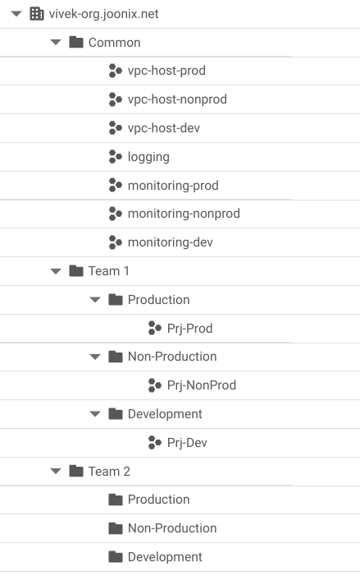
 |  |  |  |  | Sample
Simple Team Oriented Resource Hierarchy
Blueprint Type | Team Name ** | Environment Name ** | Initial Project *
Simple team oriented | <Team A> | <Dev> | <Dev Project 1>
Simple team oriented |  | <Dev> | <Dev Project 2>
Simple team oriented |  | <Prod> | <Prod Project 1 >
Simple team oriented |  | <Prod> | <Prod Project 2>
Simple team oriented | <Team B> | <Dev> | <Dev Project 1>
Simple team oriented |  | <Dev> | <Dev Project 2>
Simple team oriented |  | <Prod> | <Prod Project 1 >
Simple team oriented |  | <Prod> | <Prod Project 2>
Simple team oriented
Simple team oriented
Simple team oriented

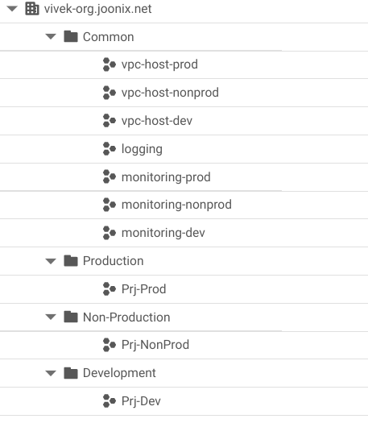
 |  |  |  |  | Sample
Simple Environment Oriented Resource Hierarchy
Blueprint Type | Environment Name ** | Initial Project *
Simple Environment oriented | <Dev> | <Dev Project 1>
Simple Environment oriented |  | <Dev Project 2>
Simple Environment oriented |  | <Dev Project 3>
Simple Environment oriented |  | <Dev Project 4>
Simple Environment oriented | <Prod> | <Prod Project 1 >
Simple Environment oriented |  | <Prod Project 2>
Simple Environment oriented |  | <Prod Project 3 >
Simple Environment oriented |  | <Prod Project 4>

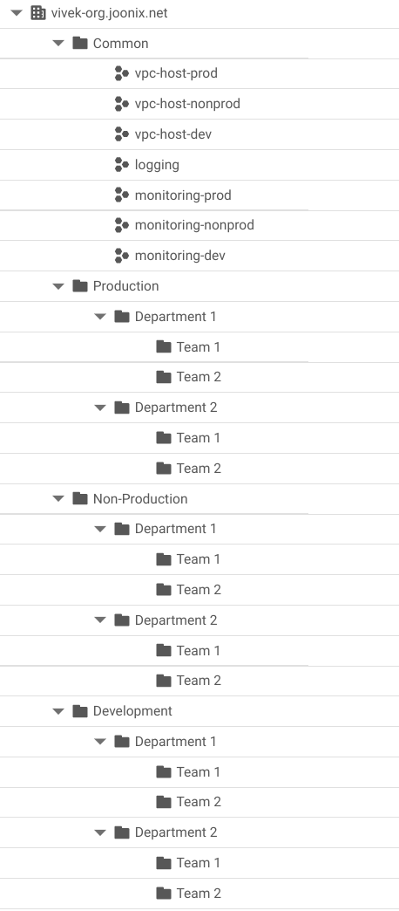
 |  |  |  |  |  | Sample
Environment Oriented Resource Hierarchy
Blueprint Type | Environment Name ** | Business Unit ** | Team Name ** | Initial Project *
Environment Oriented | <Dev> | <BU1> | <Team 1> | <Dev Project 1>
Environment Oriented | <Dev> | <BU2> | <Team 2> | <Dev Project 2>
Environment Oriented | <Dev> | <BU3> | <Team 3> | <Dev Project 3>
Environment Oriented | <Dev> | <BU4> | <Team 4> | <Dev Project 4>
Environment Oriented | <Dev> | <BU5> | <Team 5> | <Dev Project 5>
Environment Oriented | <Prod> | <BU1> | <Team 1> | <Prod Project 1>
Environment Oriented | <Prod> | <BU2> | <Team 2> | <Prod Project 2>
Environment Oriented | <Prod> | <BU3> | <Team 3> | <Prod Project 3>
Environment Oriented | <Prod> | <BU4> | <Team 4> | <Prod Project 4>
Environment Oriented | <Prod> | <BU5> | <Team 5> | <Prod Project 5>

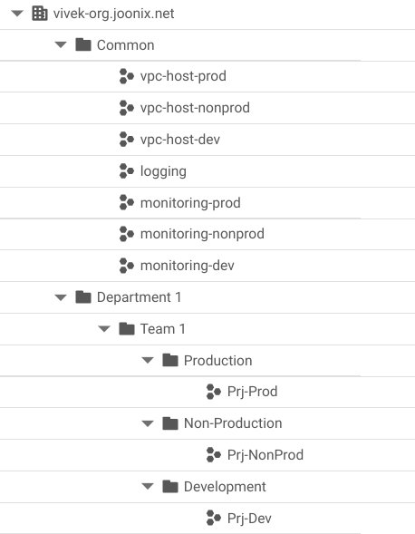
 |  |  |  |  |  | Sample
Business Unit Oriented Resource Hierarchy
Blueprint Type | Business Unit ** | Team Name ** | Environment Name ** | Initial Project *
Business Oriented | IT | <BU1 Team1> | <Dev> | <Dev Project 1>
Business Oriented | <BU1> | <BU1 Team2> | <Prod> | <Prod Project 1>
Business Oriented | <BU2> | <BU2 Team1> | <Dev> | <Dev Project 2>
Business Oriented | <BU2> | <BU2 Team 2> | <Prod> | <Prod Project 2>
Business Oriented | <BU3> | <BU3 Team1> | <Dev> | <Dev Project 3>
Business Oriented | <BU3> | <BU3 Team 2> | <Prod> | <Prod Project 3>
Business Oriented | <BU4> | <BU4 Team1> | <Dev> | <Dev Project 4>
Business Oriented | <BU4> | <BU4 Team 2> | <Prod> | <Prod Project 4>
Business Oriented | <BU5> | <BU5 Team1> | <Dev> | <Dev Project 5>
Business Oriented | <BU5> | <BU5 Team 2> | <Prod> | <Prod Project 5>

